Appendix 1_EcoSystem Canvas
STAKEHOLDERS | USERS | PAYERS | DECISION MAKERS | PRIMARY BENEFICIARIES | SECONDARY BENEFICIARIES | TERTIARY BENEFICIARIES
Examples | Persons who will directly interact with the product or service themselves. | Persons transferring resources to your company as payment for a product or service. | Persons who have the authority to decide on purchasing the product or service. | Persons directly benefiting from the activity, the product or the service. | Persons indirectly benefiting through the impact on primary beneficiaries | Wider society or systems experiencing long-term positive effects from the enterprise's activities.

Product or Service of your organization №1

Product / Service №2

Product / Service №3

Product / Service №4

Product / Service №5

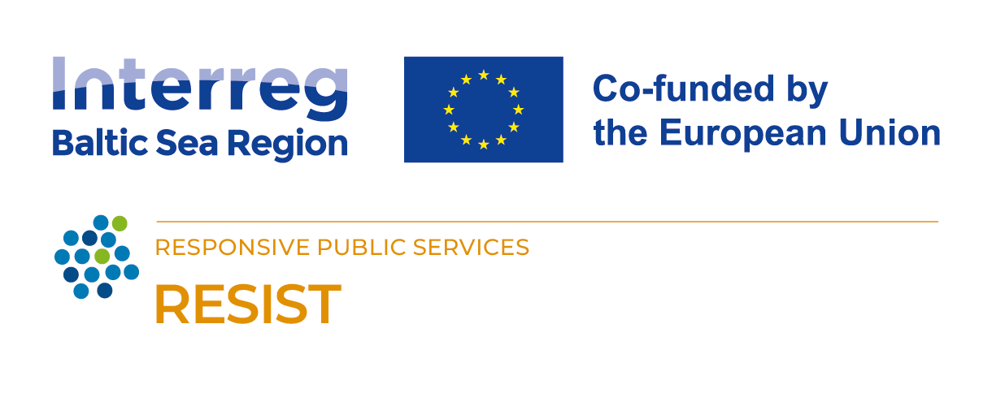
The RESIST project is co-financed by the European Union (European Regional Development Fund) under the Interreg Baltic Sea Region Programme.

